CreateCategory
Common information |  |  | Project name |  | Testing System |  |  |  | Creator | NAToan
 |  |  | System name |  |  |  |  |  | Created date | 28/2/2020
 |  |  | Phase name |  |  |  |  |  | Version | 1.0
 |  |  | Document ID |  |  |  |  |  | Updated by
 |  |  | Document name |  |  |  |  |  | Updated date
Detailed information |  |  | Screen ID
 |  |  | Screen name |  | ViewListGroupManagement
 |  |  | Outline

 | 1. | Screen image

 |  | Bước 1. Từ màn hình Home, ta sẽ bấm Button "ManageGroup" để hiện lên màn hình "ViewListManageGroup"
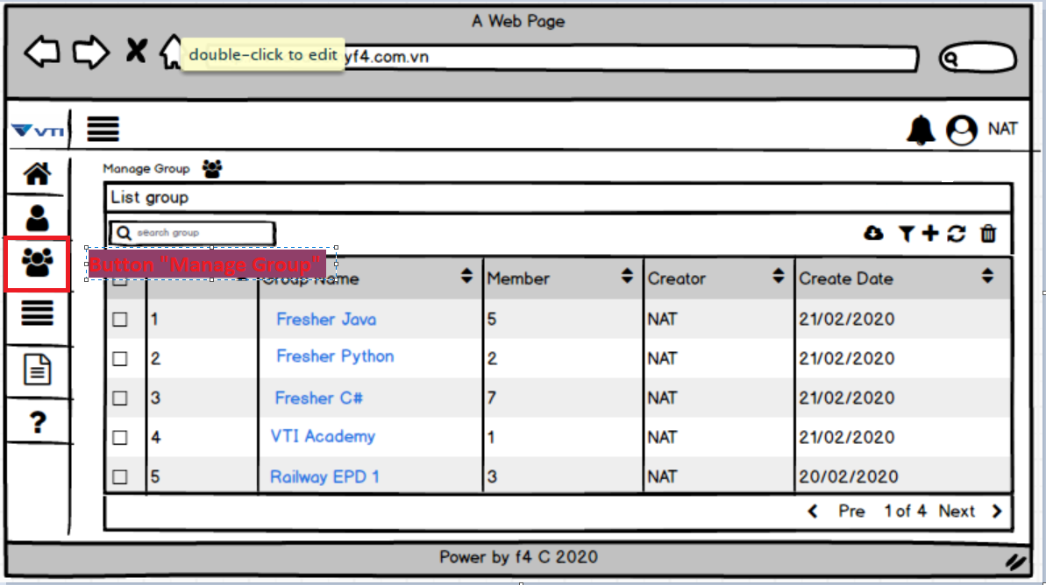

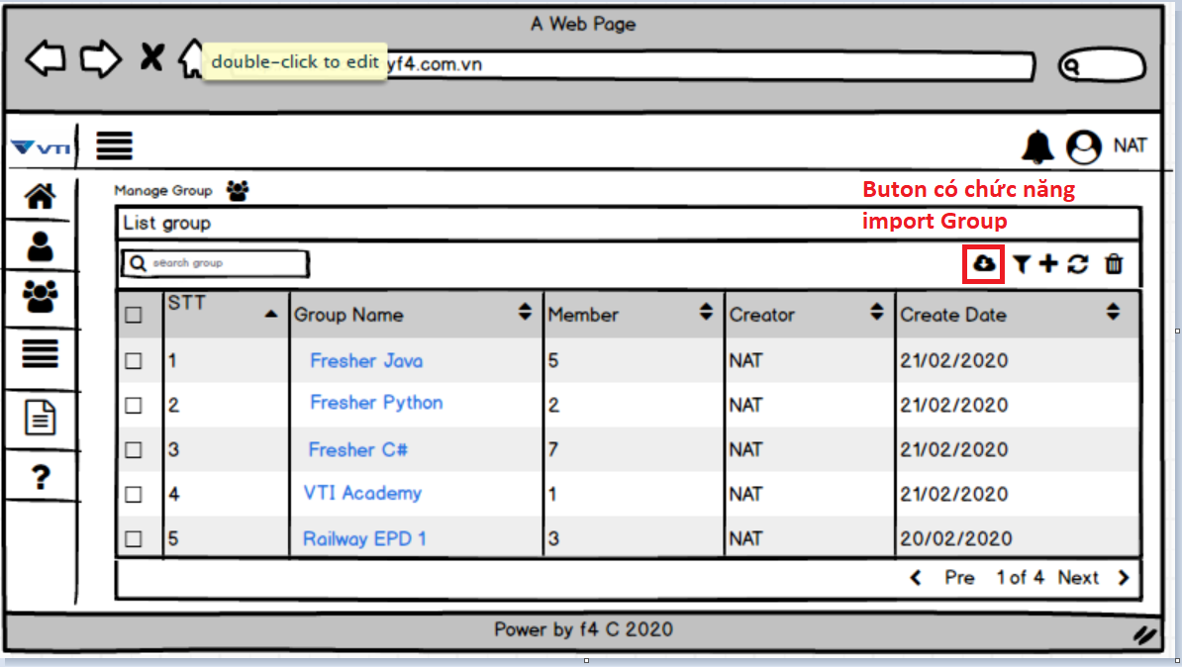

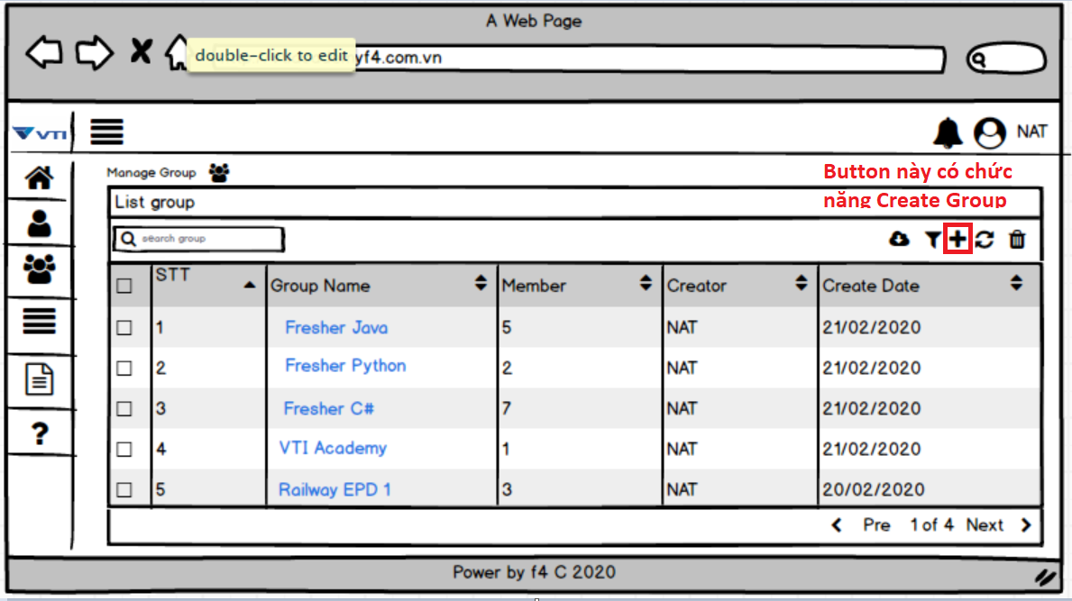

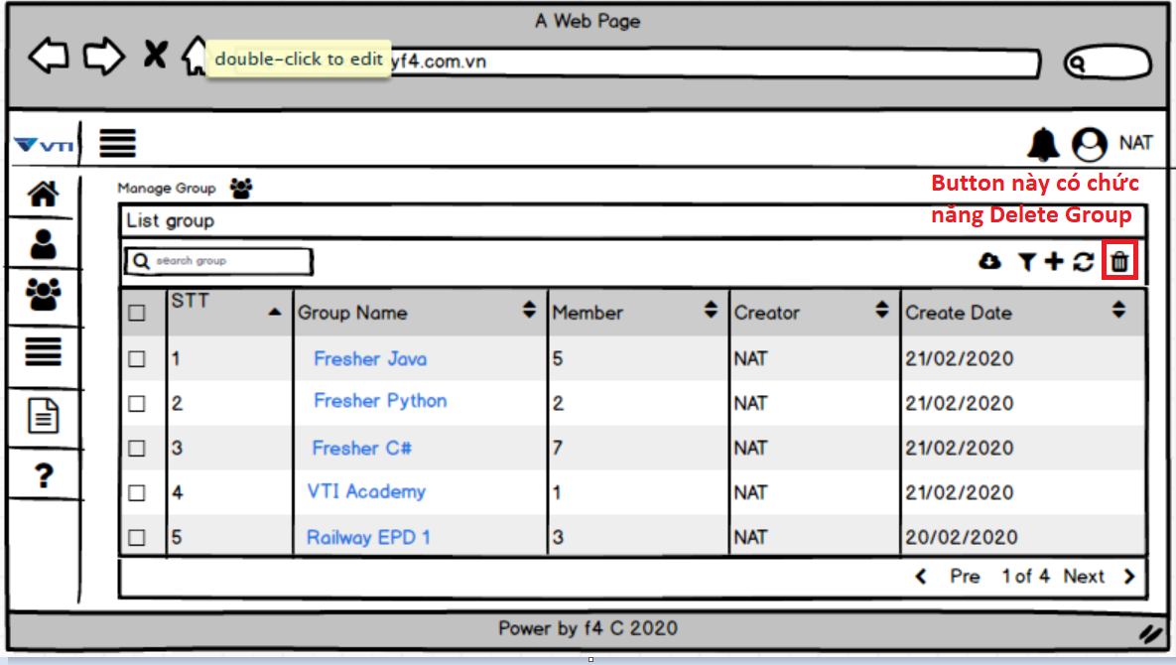

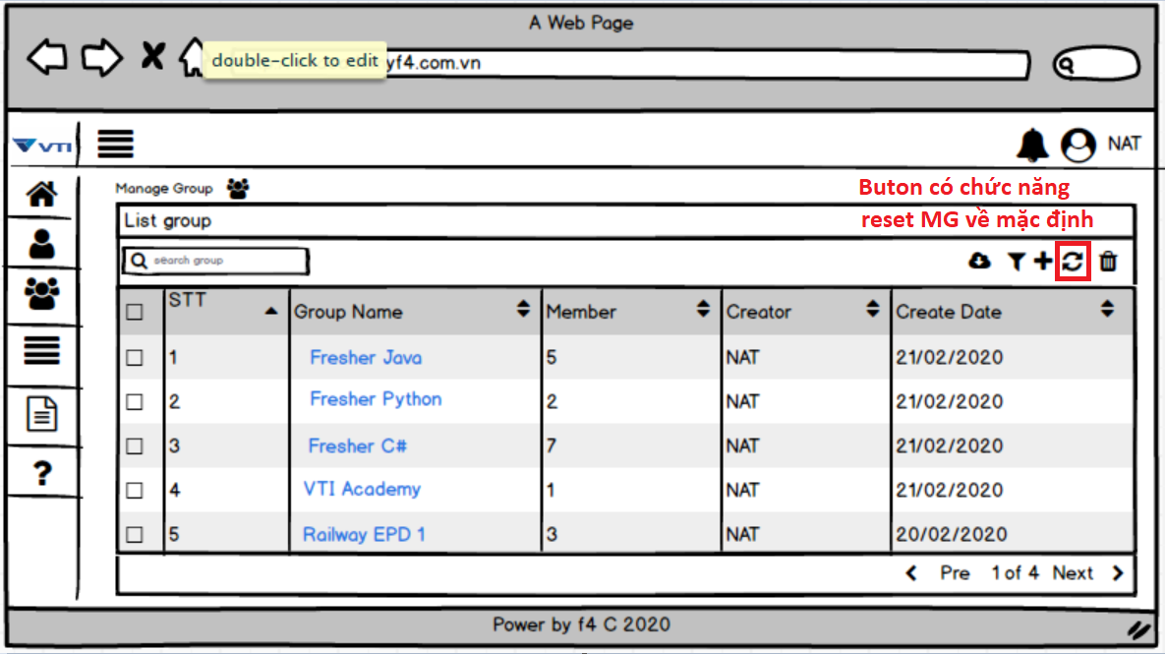

 |  | Bước 2: Click vào Button "Filter" để hiện ra chức năng filter trong "Manage Group"

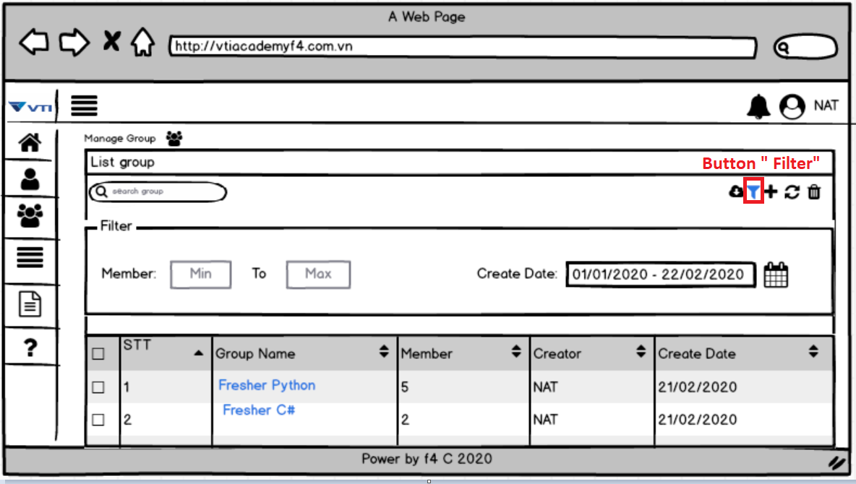

3. | Item display
 | Item | Display |  | Type |  | I/O | Initial value | Operation

4. | Activity Diagram

5. | Sequence Diagram

6. | State Diagram

7. | Pseudo Code

8. | Unit-test case

